Dashboard
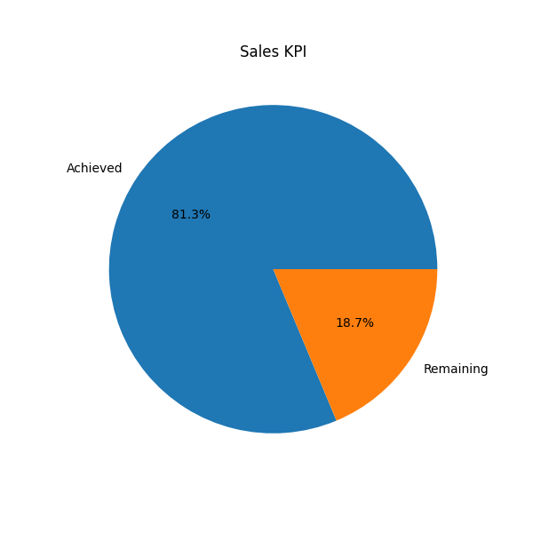
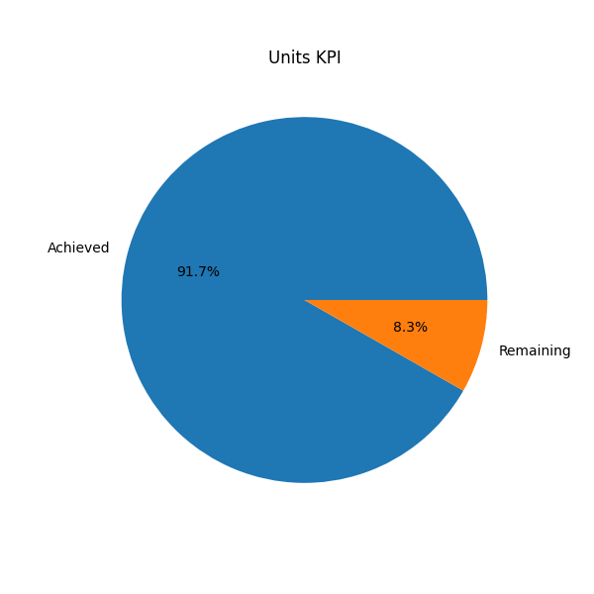
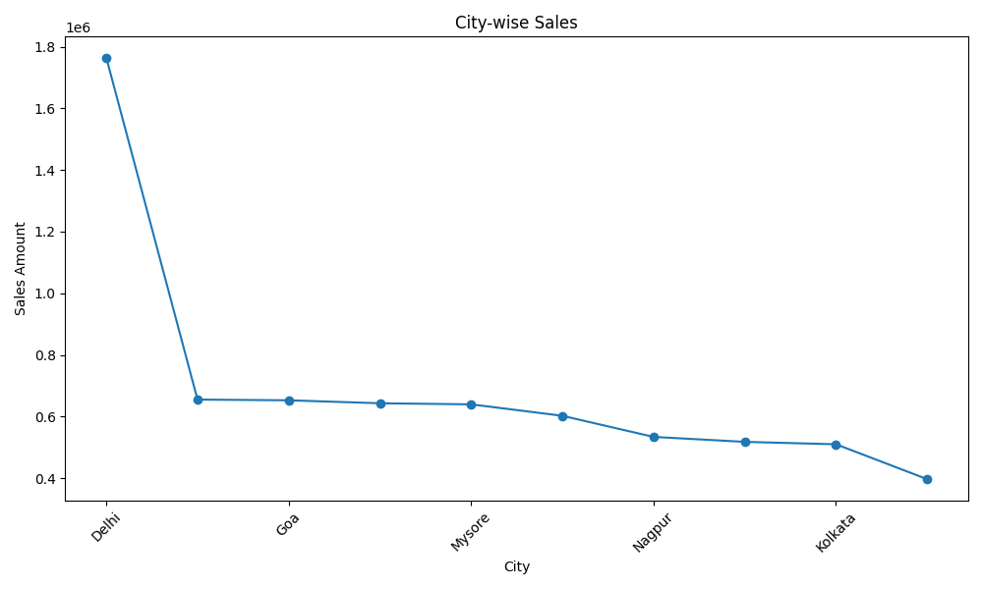
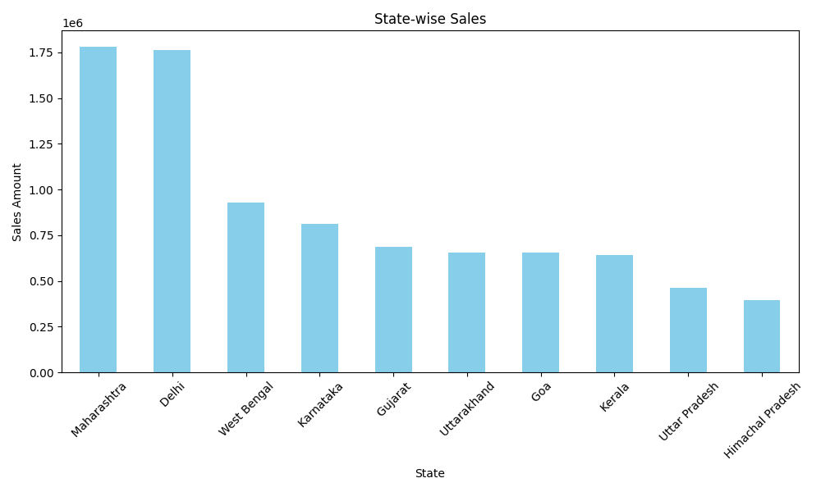
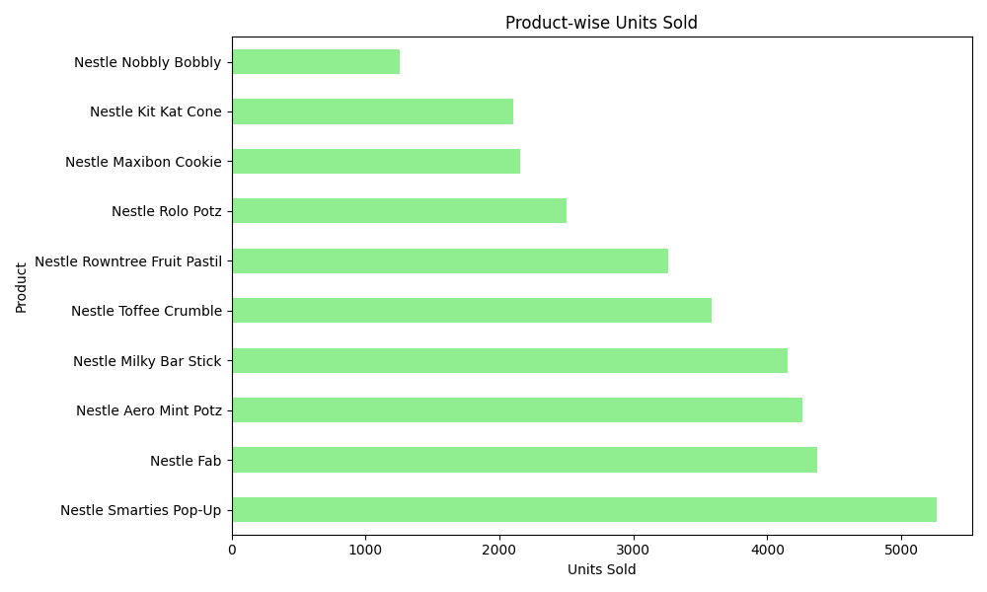
Amazon Sales Dashboard 2024

Total Sales (₹) | 10226625
Total Units Sold | 33874
Number of Cities | 23

Pivot Dashboard
Sales by City
 | Total
Agra | 6,980
Ahmedabad | 20,091
Bangalore | 7,270
Cochin | 5,057
Darjeeling | 5,205
Delhi | 37,255
Durgapur | 6,788
Goa | 22,472
Hyderabad | 7,635
Jodhpur | 3,742
Kolkata | 10,170
Mumbai | 28,731
Mysore | 27,301
Nagpur | 20,355
Nainital | 15,395
Patna | 12,955
Pune | 15,051
Ranchi | 11,275
Shimla | 24,342
Srinagar | 9,233
Surat | 6,721
Trivandrum | 2,472
Varanasi | 1,803

Product wise Sales
 | Total
Nestle Aero Mint Potz | 38,682
Nestle Fab | 20,250
Nestle Kit Kat Cone | 40,326
Nestle Maxibon Cookie | 16,806
Nestle Milky Bar Stick | 36,559
Nestle Nobbly Bobbly | 5,255
Nestle Rolo Potz | 30,166
Nestle Rowntree Fruit Pastil | 22,607
Nestle Rowntree Screamers | 4,875
Nestle Smarties Pop-Up | 46,353
Nestle Toffee Crumble | 46,420

Qtr wise sales
 | Total
Qtr4 | 155,222
Qtr4 | 153,077
State wise Sales
 | Total
Bihar | 12,955
Delhi | 37,255
Goa | 22,472
Gujarat | 26,812
Himachal Pradesh | 24,342
Jammu and Kashmir | 9,233
Jharkhand | 11,275
Karnataka | 34,571
Kerala | 7,529
Maharashtra | 64,137
Rajasthan | 3,742
Telangana | 7,635
Uttar Pradesh | 8,783
Uttarakhand | 15,395
West Bengal | 22,163

Sales by sales rep
 | Total
Allan Ramos | 2,064
Andrew Meyer | 7,804
Austin Reynolds | 1,172
Ben Perez | 3,022
Bernadette Page | 4,149
Beth Tucker | 4,893
Bethany Pena | 4,880
Billie Chandler | 3,270
Blake Bridges | 1,823
Bobbie Ryan | 4,266
Brooke Horton | 3,131
Carla Mccormick | 1,266
Cassandra Franklin | 9,033
Cecilia Manning | 2,034
Charlie Wood | 2,630
Christina Fuller | 3,607
Christy Olson | 3,451
Cindy Becker | 7,270
Colleen Warren | 3,639
Dan Peterson | 1,676
Della Jensen | 10,846
Donna Reid | 11,871
Drew Rogers | 4,345
Eddie Green | 6,294
Edwin Malone | 3,808
Elaine Ellis | 3,261
Elbert Klein | 1,550
Ellen Weaver | 783
Elvira Bowman | 7,056
Eric Rose | 7,053
Ernest Davis | 3,973
Felicia Jennings | 6,789
Fernando Rowe | 1,588
Guillermo Potter | 963
Herman Williams | 939
Iris Underwood | 2,341
Isabel Cross | 11,275
Ivan Adkins | 2,559
Jaime Pearson | 1,678
Jenny Garcia | 13,570
Joey Wong | 832
Johanna Boone | 5,259
Kyle Carr | 7,359
Lance Yates | 2,177
Lee Mack | 1,281
Lorraine Gibson | 1,130
Lula Daniels | 10,413
Lynette Brewer | 537
Mable Lindsey | 3,061
Marian Hill | 438
...

